How to Deploy
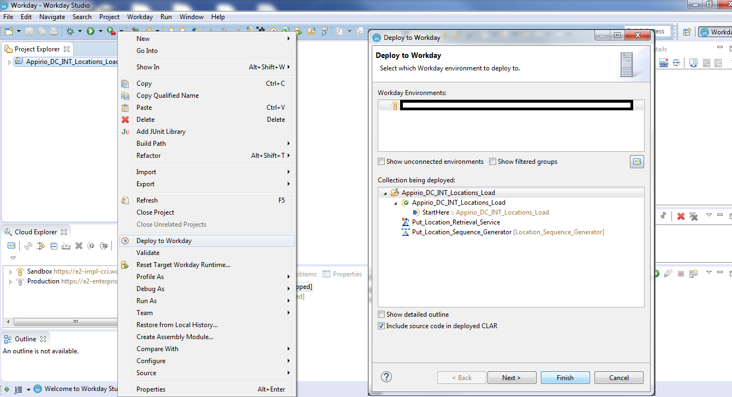
Requirements for deploying an Integration System | 1. Updated Workday Studio installed in the system. (Information about how to download and install Workday Studio is present over workday community. Refer to this link for the same: https://community.workday.com/studio-download) 2. CLAR file of the integration system

Follow these steps to load the clar file into studio and then to the the client's tenant.
1. Start Workday Studio. It will prompt for the Workspace. Browse for the folder in your system where you want to store the integration files. Click on OK
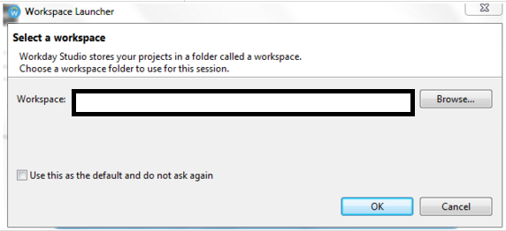

2. Next, it will prompt for the credentials. Click on OK without entering any data. You can enter the credentials here or we can set the credentials in the later step as well.
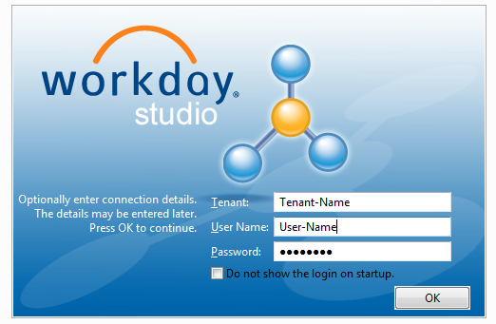

3. You will probably be seeing a Welcome screen of Workday Studio, close the this tab. If not then ignore this step.

4. Look for the Cloud Explorer tab on the screen in the Workday Studio. If you are unable to see it, then go to Windows > Show View > Cloud Explorer. Click on the blank space under the Cloud Explorer and select "Connection Details". A new Window "Preferences (Filtered)" will show up.

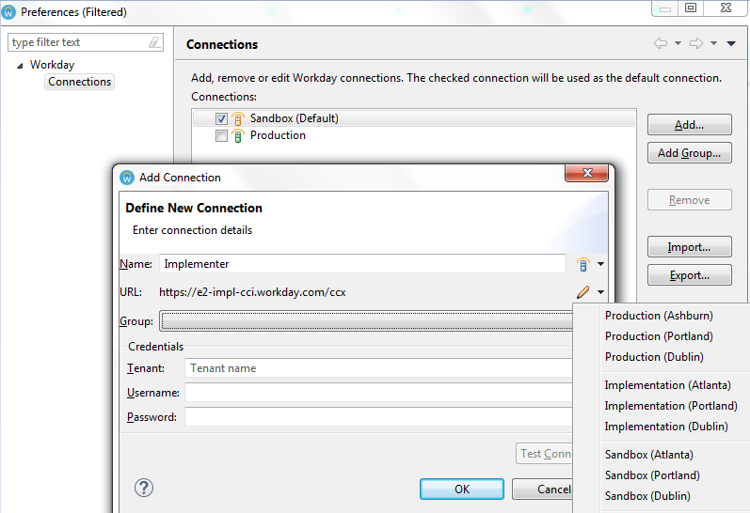

5. Select the current environment you are currently working on (Implementation, Sandbox and Production). If it is not present click on Add button.

6. Enter name in the Name field. In the URL click on the edit icon in the right (pencil icon) and select appropriate data center based on the URL of your tenant. Refer to this link over community for the same. https://community.workday.com/node/62993

7. Enter Tenant name from your URL. It will be https://aaa.workday.com/<tenant name>/login.flex. Enter your username and password. Then click on Test Connection button. "Connection tested successfully" should show up for successfull connection.

8. After successfull connection has built, Look for the Project Explorer tab on the screen in the Workday Studio. If you are unable to see it, then go to Windows > Show View > Project Explorer.

9. Go to File > Import. A Import window will open up. Open Workday folder and select "Solution Catalog CLAR". Click Next.

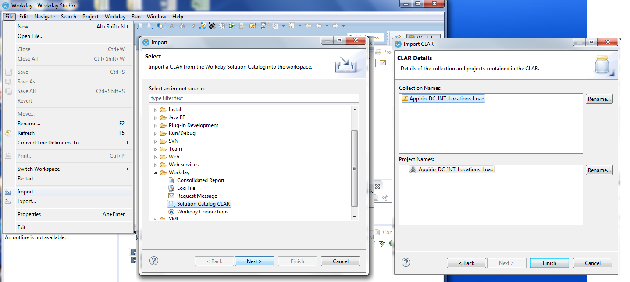

10. Browse for the CLAR file which you have stored on your system, initially. Click Next and then Finish

11. You will see the project loaded in the Project Explorer. Right Click on the Root Folder and click on Deploy to Workday.

12. Select Workday Environment and check "Include source code in Deployed CLAR". Click on Next and Finish.

How to Use
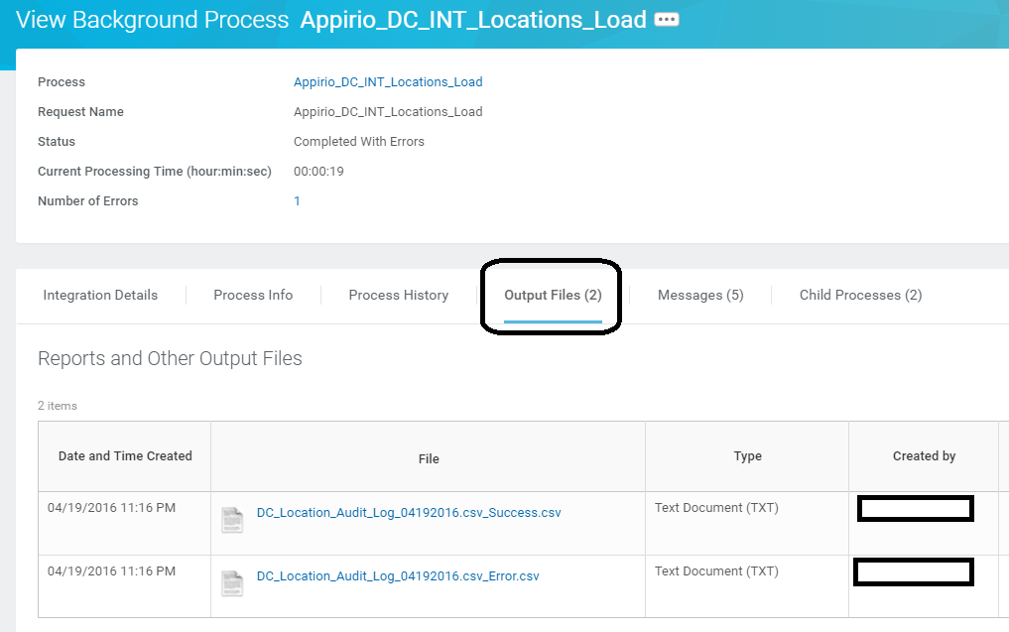
Requirements for using the Integration System | The integration should be deployed in the tenant.

Follow these steps to load the clar file into studio and then to the the client's tenant.

1. Search for the integration system in the search box. All the Integrations starts with "Appirio_DC_"
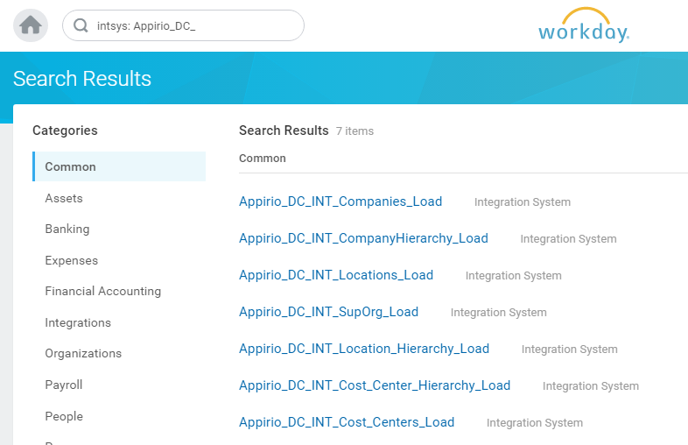

2. Click on the Integration which you want to run, Scroll down to "Business Process Definations" tab. Click on the Business Process Defination.
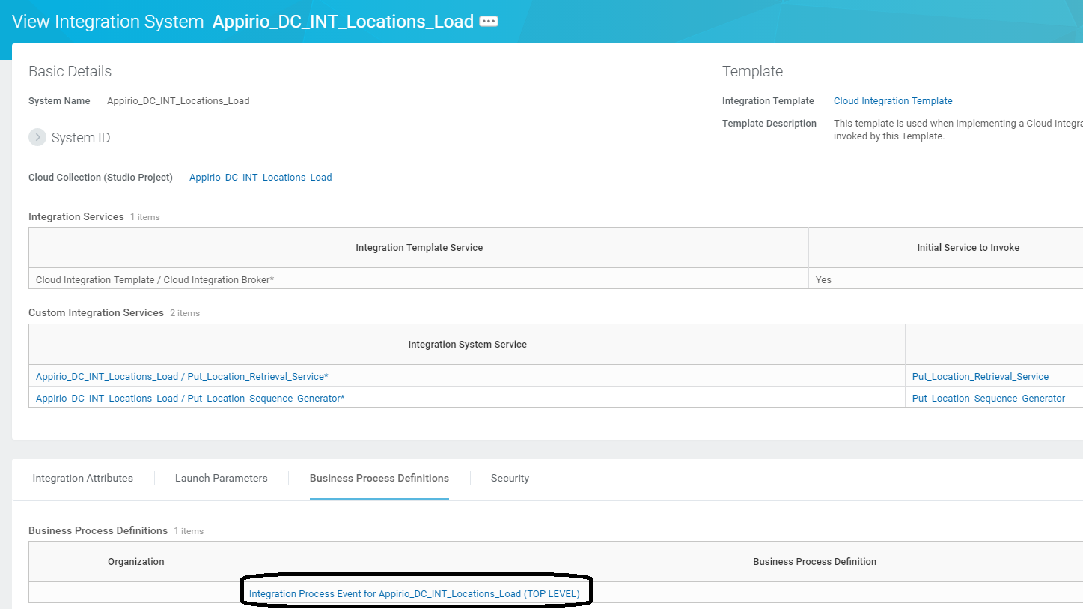

3. Click on "Configure Document Retrieval". Enter today's date as Effective date.
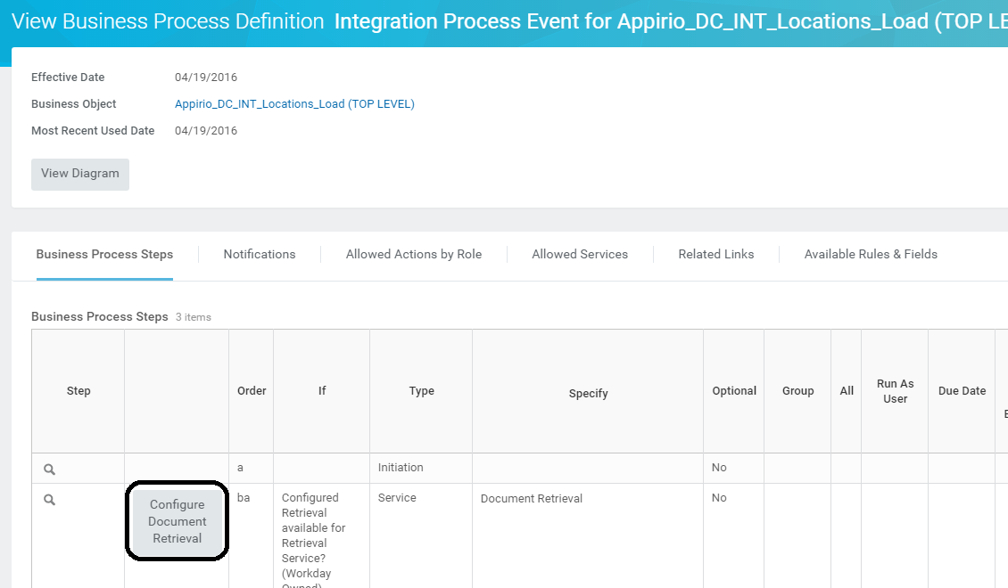

4. In the "Document Retention Policy" enter 30. (Or consult with the Data Consultant).

5. Under the "Retrieval Settings" section, select "Retrieve File(s) from External Location".

6. Under the "File (s)" section, enter the name of the file present on the SFTP.

7. Under the "Transport" section, select appropriate "Transportation Type" and provide the credentials.
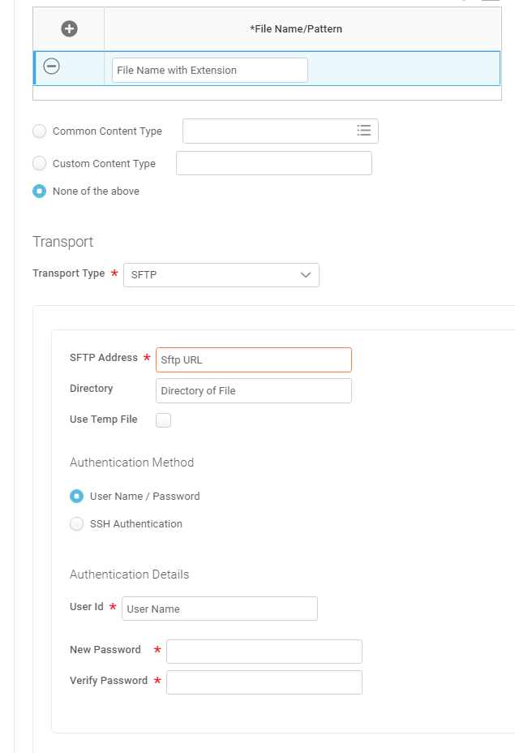

8. Click on OK and Done.

Configure Integration attribute. Enter Username and password of the integration user. These fields are required for retrieving the file from local drive.

9. Click on OK and Done.

10. Click on "Business Object (clickable link)" and then on "Integration System" which will take you to the integration system home page.

11. To run the integration click on related actions (three dots), beside the name of the integration system Integration > Launch / Schedule. Click OK. Select the appropriate launch parameter and click OK again.

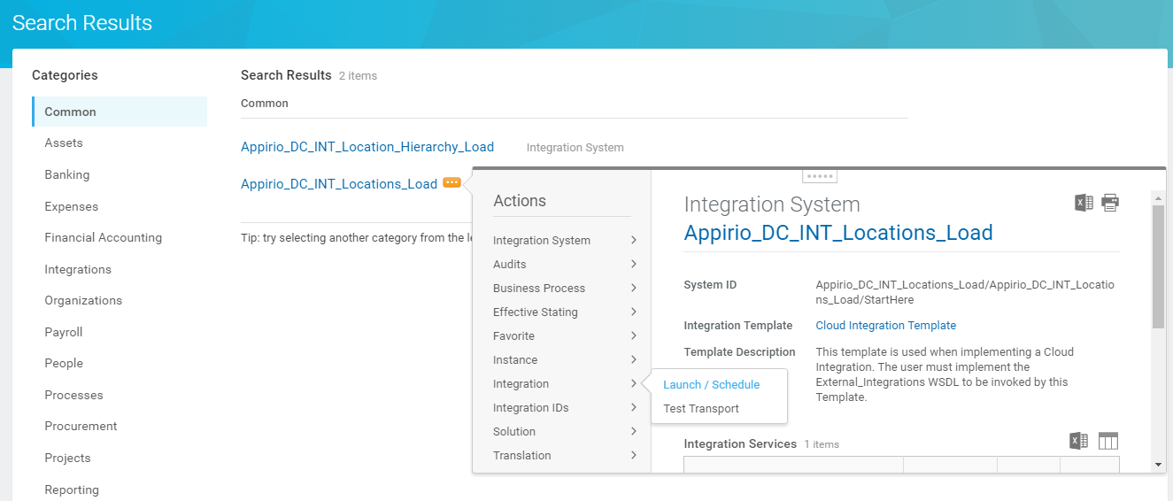 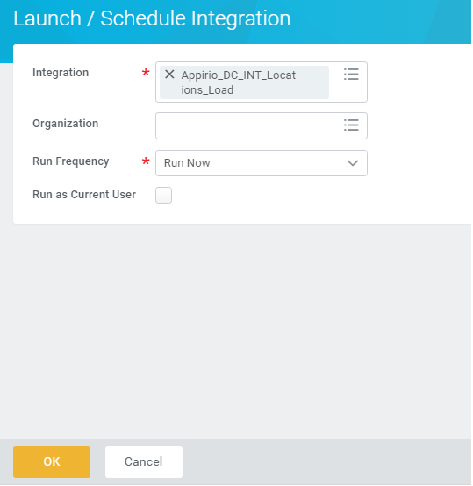 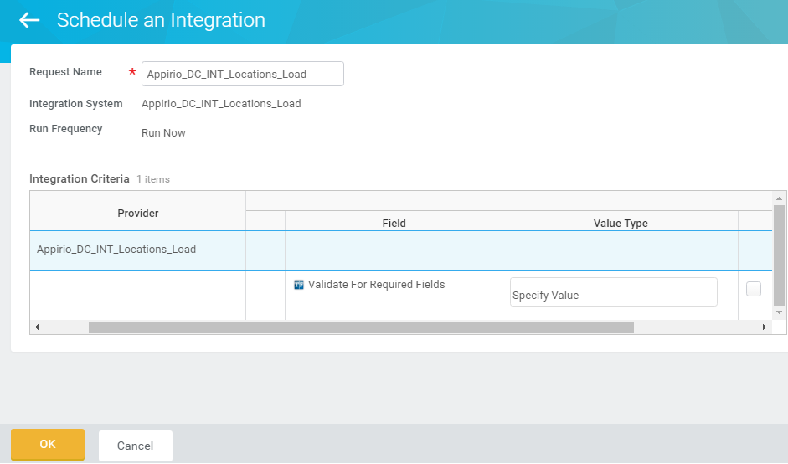

11
12. In the "Validate For Required Fields" mode all the required data which is mendetory for the current load, will be validated, Data will not be loaded into the system in validate mode while it will load the data when you leave the validate mode unchecked.
With "Input File", we can retrieve input file from local drive. If user still like to retrieve file from sFTP, they can check the "Retrieve File From sFTP" check box.

12. Click on OK

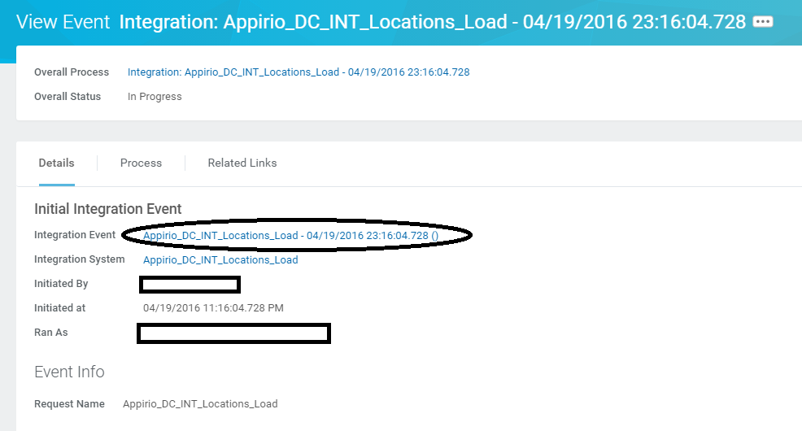

14. Two output file DC_[Integration]_Audit_Log_[MM][dd][yyyy]_Success.csv and DC_[Integration]_Audit_Log_[MM][dd][yyyy]_Error.csv will be generated based on the status. These file will contain all the data from corresponding sheet from DGW along with the status of load into the system. The last two columns of the file is Status and Description. Status will be 'Error' or 'Success' and the description will give the details of the error if there is an error in the load.

